KKO
KAJIAN KELAYAKAN OPERASI

DAYA LAMA |  |  |  | DAYA BARU
Nama Pelanggan | : | DIPENDA KAB DEMAK |  | Nama Pelanggan | : | DIPENDA KAB DEMAK
Daya Lama (VA) | : | 11000 |  | Daya Baru (VA) | : | 23000
Jumlah Fasa | : | 1 | * | Jumlah Fasa | : | 3
Tegangan Sekunder Pengukuran rata-rata (Fasa-Netral) (V) | : | 220 | * | Tegangan Sekunder Pengukuran rata-rata (Fasa-Netral) (V) | : | 380
Beban Pelanggan (A) | : | 50.14 |  | Beban Pelanggan (A) | : | 34.94

SUPLAI TRAFO EKSISTING |  |  |  | SUPLAI TRAFO RENCANA
Nomor Tiang | : |  |  | Nomor Tiang | :
Penyulang | : |  |  | Penyulang | :
Daya | : |  | * | Daya | : | 100
Jumlah Fasa | : |  | * | Jumlah Fasa | : | 3
Beban TRAFO (Pengukuran Lapangan) |  | 0 |  | Beban TRAFO | : | 34.94
Beban Primer | : | 0.00 | * | Beban Primer | : | 2.89
Beban Sekunder | : | 0.00 | * | Beban Sekunder | : | 151.93
Beban (A) | : | 0.00 |  | Beban (A) | : | 0.15
Prosentase Pembebanan | : | #DIV/0! |  | Beban (A) | : | 23%
 | 23% | 100%
Prosentase Pembebanan | : | 100% |  | Beban (A) | : | 100%

DATA





DATA
Tahun | : | 2022
Discount Rate | : | 12%
Transfer price TM | : | 1,084 |  | Marginal COST maret 2022
Umur ekonomis (tahun) | : | 25.00
Selisih Susut Teknis | : | 2.25%
∑ Daya | : | 12
BP (Rp) | : | 11,628,000
RAB (Rp) | : | 8,967,689
Biaya O&M (2% invest) | : | 179,353.77

Nama Pelanggan | : | DIPENDA KAB DEMAK | *
Golongan Pelanggan | : | P1 | *
Jenis Layanan | : | REGULER | *
Daya Lama (kVA) | : | 11 | *
Daya Baru (kVA) | : | 23 | *
Tarif WBP (Rp/kWh) | : | 1,444.70 | *
Tarif LWBP (Rp/kWh) | : | 1,444.70 | *
BP (Rp/VA) TR | : | 969 | *
Jam Nyala | : | 40 | *

RAB
 |  | PT. PLN ( PERSERO )
 |  | UNIT INDUK DISTRIBUSI JAWA TENGAH & DI YOGYAKARTA |  |  |  |  |  |  |  |  |  | RAB TOTAL
 |  | UP3 DEMAK |  |  |  |  |  |  |  |  | RAB TOTAL | RAB NON MDU
 | RENCANA ANGGARAN BIAYA (RAB)

 |  |  |  | Pekerjaan | : | DIPENDA KAB DEMAK
 |  |  |  | Lokasi | : | JL SULTAN FATAH KEC. DEMAK
 |  |  |  | Pelaksana | : | UP3 DEMAK
 |  |  |  | Anggaran | : | SAR 2023

Note !! 1. Saat Pengisian Uraian di mohon memasukan nama material sesuai dengan nama material di harga satuan
2. Mohon di cek kembali saat pengisian volume material
3. Untuk program Sarana Penunjang Fungsi tidak perlu SLO.
 | NO | URAIAN | GOL | SAT | VOL | HARGA SATUAN | BIAYA YANG DIPERLUKAN ( Rp )
 |  |  |  |  |  |  | MDU | HARDWARE | JASA | JUMLAH

 | A | PEMASANGAN TIANG |  |  |  | 0 | 0 | 0 | 0 | 0
#REF! |  |  |  |  |  | 0 | 0 | 0 | 0 | 0
#REF! | B | PEKERJAAN PEMASANGAN KONSTRUKSI TM |  |  |  | 0 | 0 | 0 | 0 | 0
 |  |  |  |  |  | 0 | 0 | 0 | 0 | 0
 | C | KONSTRUKSI TRAFO |  |  |  | 0 | 0 | 0 | 0 | 0

 | D | PEKERJAAN PEMASANGAN APP |  |  |  | 0 | 0 | 0 | 0 | 0
 |  |  |  |  |  | 0 | 0 | 0 | 0 | 0
 | + | Daya 23.000 VA |  | Unit | 1 | 0 | 0 | 0 | 0 | 0
 | 1 | KWH MPB; 3P; 4W; 230/400 V; 5(80) A; Class 1 | HDW | Bh | 1 | 1,719,200 | 0 | 1,719,200 | 0 | 1,719,200
 | 2 | Smart Box Langsung Daya 23 kVA MCCB 35 A | MDU-KD | Unit | 1 | 3,564,900 | 3,564,900 | 0 | 0 | 3,564,900
 | 3 | Modem 3G/4G | HDW | Unit | 1 | 1,113,900 | 0 | 1,113,900 | 0 | 1,113,900
 | 4 | NFA2X 4 x 16 mm² | MDU-KD | Mtr | 20 | 13,500 | 270,000 | 0 | 0 | 270,000
 | 5 | Upah Pasang SR + APP 3 Fasa | JASA | Unit | 1 | 106,400 | 0 | 0 | 106,400 | 106,400
 | 6 | Upah Bongkar SR + APP 3 Fasa | JASA | Unit | 1 | 63,840 | 0 | 0 | 63,840 | 63,840

 | + | CM2-11 |  | Unit | 2 | 0 | 0 | 0 | 0 | 0
 | 1 | Ground rod ⅝" x 8" Copper Weld | HDW | Bh | 2 | 185,200 | 0 | 370,400 | 0 | 370,400
 | 2 | Bimetalic Connector 35 - 240 mm² | HDW | Bh | 2 | 47,459 | 0 | 94,918 | 0 | 94,918
 | 3 | Ground wire Cu 16 mm² | HDW | Mtr | 3 | 30,000 | 0 | 90,000 | 0 | 90,000
 | 4 | Ground rod & Washer | HDW | Bh | 4 | 9,500 | 0 | 38,000 | 0 | 38,000
 | 5 | Upah Pasang Acc.Jar M2-11 | JASA | Unit | 2 | 56,400 | 0 | 0 | 112,800 | 112,800
 |  |  |  |  |  | 0 | 0 | 0 | 0 | 0
 | + | Pemasangan APP 3 Fasa Di Bangunan |  | Unit | 2 | 0 | 0 | 0 | 0 | 0
 | 1 | Strain Hook Clamp 1 ½" | HDW | Set | 2 | 11,500 | 0 | 23,000 | 0 | 23,000
 | 2 | Klem Bugel untuk tiang atap 1 ½" | HDW | Set | 2 | 6,200 | 0 | 12,400 | 0 | 12,400
 | 3 | Gas Pipe 1 ½" x 1.5 Meter | HDW | Btg | 2 | 45,796 | 0 | 91,592 | 0 | 91,592
 | 4 | Protective Cup Plastik 1 ½" | HDW | Set | 2 | 5,300 | 0 | 10,600 | 0 | 10,600
 | 5 | Loden Manset 0.8 Kg | HDW | Bh | 2 | 58,600 | 0 | 117,200 | 0 | 117,200
 | 6 | Service Wedge Clamp 3 Fasa 6, 10, 16, 25 mm² | HDW | Set | 4 | 2,900 | 0 | 11,600 | 0 | 11,600
 | 7 | Tap Connector Kedap Air ( 6-25 / 6-25 ) mm² | HDW | Set | 8 | 8,900 | 0 | 71,200 | 0 | 71,200
 | D | PEKERJAAN PEMASANGAN APP |  |  |  | 0 | 0 | 0 | 0 | 0
 |  |  |  |  |  | 0 | 0 | 0 | 0 | 0
 |  | SLO |  |  |  | 0 | 0 | 0 | 0 | 0
 | 1 | Sertifikasi Laik Operasi | JASA | Lot | 1 | 2.5% | 95,873 | 94,100 | 7,076 | 197,049
 |  |  |  |  |  |  | 0 | 0 | 0 | 0

 |  | Jumlah MDU - Hardware - Jasa |  |  |  | : | 3,930,773 | 3,858,110 | 290,116 | 8,078,999
 |  | PPN 11% |  |  |  | : | 432,385 | 424,392 | 31,913 | 888,690
 |  | Jumlah Total |  |  |  | : | 4,363,157 | 4,282,502 | 322,029 | 8,967,689
 | Terbilang : Delapan Juta Sembilan Ratus Enam Puluh Tujuh Ribu Enam Ratus Delapan Puluh Sembilan Rupiah

 | Harga yang dipakai adalah RAB HSS 2023

 |  |  |  |  |  |  |  | Demak, 14 November 2023
 |  |  |  |  |  |  |  | MANAGER ULP

 |  |  |  |  |  |  |  | ACHMAD SUHENDRO

GAMBAR
 | PT. PLN (PERSERO) UP3 DEMAK

s
s
 | Keterangan Gambar :
 | No | Nama Material |  | Baru |  | Eksisting
 | 1 | Tiang Beton
KOORDINAT : --6.896013, 110.637885 | 2 | Tiang Besi
 | 3 | JTM 3 Fasa
 | 4 | JTM 1 Fasa
 | 5 | JTR 1 Fasa Only / UB
 | 6 | JTR 3 Fasa Only / UB
 | 7 | Trafo 1 Fasa
 | 8 | Trafo 3 Fasa
 | 9 | Fuse Cut Out
 | 10 | ABSW
 | 11 | Vang Net
 | 12 | Schoor
 | 13
DINAS PARIWISATA
////
 | Bongkar Pasang Konstruksi :
 | Pasang |  |  | Bongkar

 | Keterangan Tambahan :

 | Golongan
 | No. Gambar |  | 1 |  | Lembar |  | dr
 | Gambar dari |  |  |  | Skala
 | Perihal:
 | DIPENDA KAB DEMAK

 | Digambar |  | Staff teknik
 | Diperiksa |  | TL Teknik
 | Diketahui |  | Manager ULP
 | Disetujui |  | Mbag Perencanaan

SLD

SINGLE LINE DIAGRAM LOKASI PELANGGAN

PETA
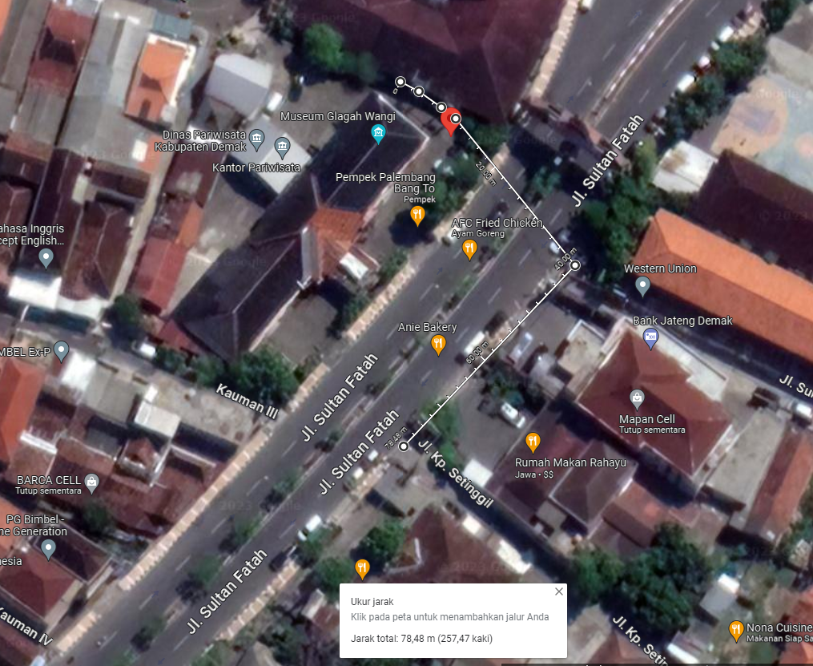
PETA LOKASI PELANGGAN

KOORDINAT : --6.896013, 110.637885

